Sheet1
At 7-21 Volts vin @dual core

 | Normal | 240 Mhz | No Wifi | ULP | Deep Sleep
 | 20 mA ~ 31 mA | 30 mA ~ 68mA | 15 mA ~ 20 mA | 3 ~ mA | 0.01 mA

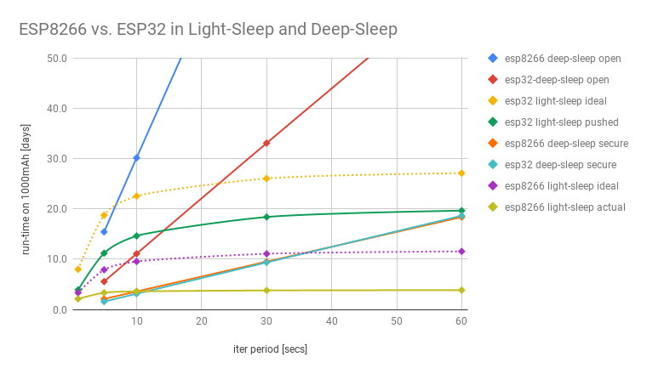

 | Wifi Gain and Range
 | Normal | ULP
10m
50m
100m

